Sheet1
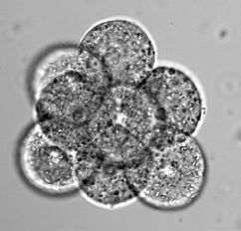
1.
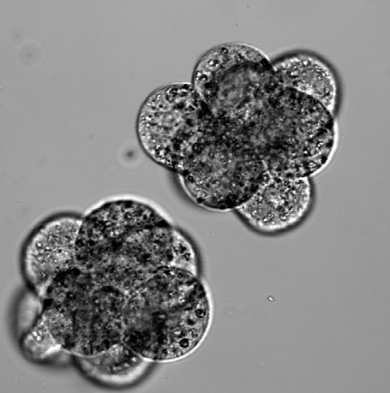
11
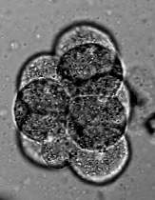
2. 3.
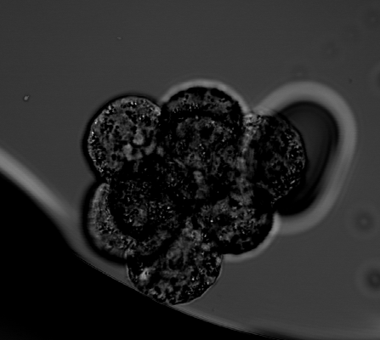
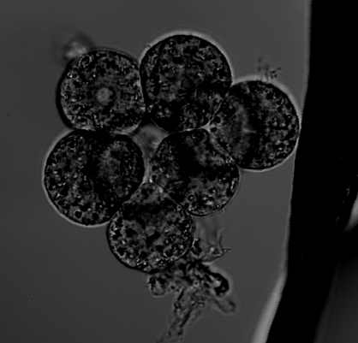
4.
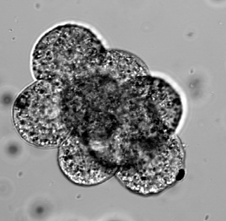
5.
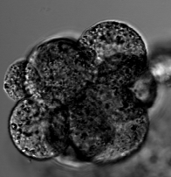
6,7,8.
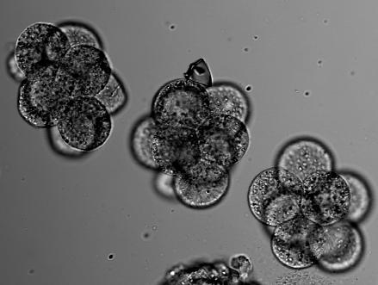
9,10
12,13
? | em4 | 6Dec17E25PDxCD1Oct4Klf4.xls
? | em8 | 7Aug17variaOct4GATA6eCad001.xls
C | em4 | 24May198and16cellH2b430pmEcadSox2CDX2.xls
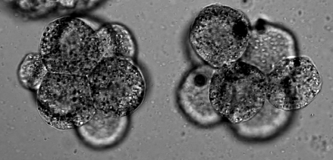
C | em5 | 24May198and16cellH2b430pmEcadSox2CDX2001.xls
C | em6 | 27jun18cdxpd9pmecadgata4snail001.xls
C | em8 | 28Nov16E25and35GPIxPDKlf4Ecad003.xls
C | em5 | 6Dec17E25PDxCD1Oct4Klf4.xls
C | em8 | 7Aug17variaSOX2EcadA.xls
C | em1 | 7Aug17variaSox2EcadB.xls
NC | em30 | 15Feb19E45CD2pmGATA6Nanog002.xls
NC | em2 | 21Mar18E25and35PDxH2b12pmEcadSOX2001.xls
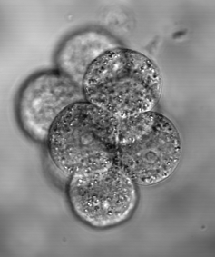
18
NC | em3 | 21Mar18E25and35PDxH2b12pmEcadSOX2002.xls
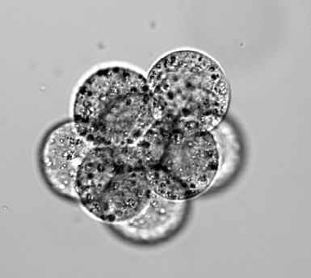
14.
15.
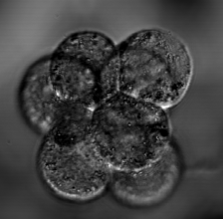
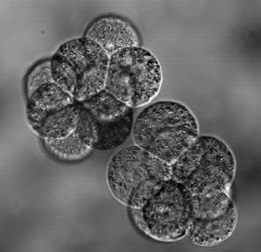
NC | em51 | 21Mar19E45cellCdxPDeCadGata6Nanog.xls
16,17.
19. 20.
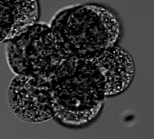
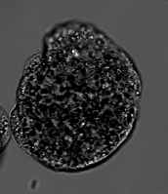
NC | em52 | 21Mar19E45cellCdxPDeCadGata6Nanog001.xls
NC | em54 | 21Mar19E45cellCdxPDeCadGata6Nanog002.xls
NC | em55 | 21Mar19E45cellCdxPDeCadGata6Nanog002.xls
NC | em56 | 21Mar19E45cellCdxPDeCadGata6Nanog002.xls
NC | em58 | 21Mar19E45cellCdxPDeCadGata6Nanog003.xls
NC | em59 | 21Mar19E45cellCdxPDeCadGata6Nanog003.xls
NC | em4 | 21Mar19E45E15E8cellCdxPD11eCadGata4Snail.xls
NC | em6 | 21Mar19E45E15E8cellCdxPD11eCadGata4Snail001.xls
NC | em7 | 21Mar19E45E15E8cellCdxPD11eCadGata4Snail001.xls
NC | em1 | 21Mat19PDxCDE25and35ecadGata4Sox2.xls
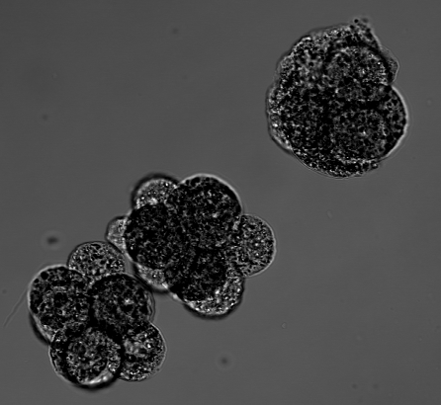
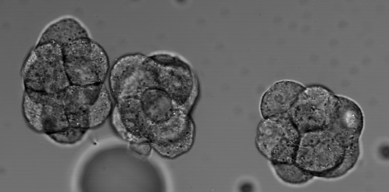
NC | em21 | 22Mar18E25E35PDxH2BnoonGata6Nanog.xls
21.
24.
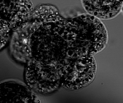
26
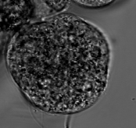
28. 29. 30.
NC | em23 | 22Mar18E25E35PDxH2BnoonGata6Nanog001.xls
NC | em24 | 22Mar18E25E35PDxH2BnoonGata6Nanog001.xls
NC | em26 | 22Mar18E25E35PDxH2BnoonGata6Nanog002.xls
NC | em2 | 24May198and16cellH2b430pmEcadSox2CDX2.xls
NC | em6 | 24May198and16cellH2b430pmEcadSox2CDX2001.xls
NC | em7 | 24May198and16cellH2b430pmEcadSox2CDX2001.xls
NC | em10 | 24May198and16cellH2b430pmEcadSox2CDX2002.xls
22.
NC | em3 | 24Nov16E25and35H2BKlf4Gata6.xls
25.
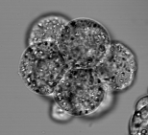
NC | em1 | 28Nov16E25and35GPIxPDKlf4Ecad001.xls
NC | em3 | 28Nov16E25and35GPIxPDKlf4Ecad002.xls
NC | em4 | 28Nov16E25and35GPIxPDKlf4Ecad002.xls
23.
27.
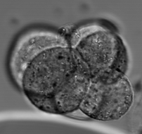
NC | em5 | 28Nov16E25and35GPIxPDKlf4Ecad002.xls
NC | em1 | 6Dec17E25PDxCD1Oct4Klf4.xls
NC | em2 | 6Dec17E25PDxCD1Oct4Klf4.xls
31.
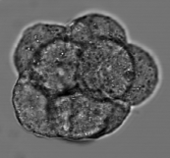
NC | em2 | 7Aug17variaOct4EcadKlf4.xls
NC | em7 | 7Aug17variaOct4GATA6eCad001.xls
NC | em1 | 7Aug17variaSOX2Ecad.xls
NC | em5 | 7Aug17variaSOX2EcadA.xls
NC | em11 | 7Aug17variaSOX2EcadA001.xls
NC | em3 | 7Aug17variaSox2EcadB.xls
NC | em5 | 7Aug17variaSox2EcadB.xls
NC | em7 | 7Aug17variaSox2EcadB.xls
36
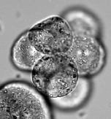
NC | em7 | 9Jul18E275and375PdxCDecadSox2001.xls
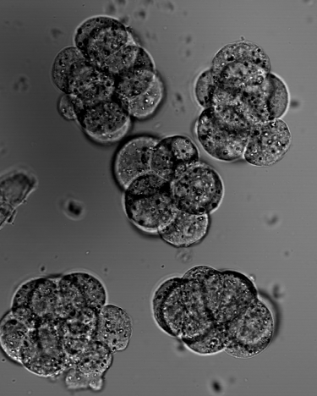
37
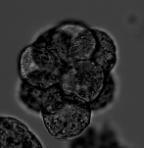
NC | em3 | 9July18E375and275PdxCDeCadSox2001.xls
32. 33.

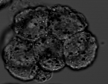
42
40
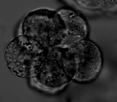

38
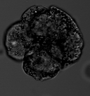

41
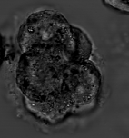
43
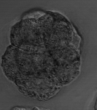

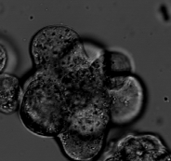
47
34. 35.

39
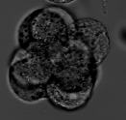

44
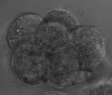
45
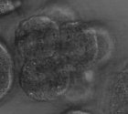

48
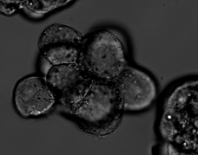

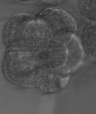
46

